Lab Procedure
LAB PROCEDURE | TEST DATA
Equipment: | Source :
1. DO Meter with BOD Bottle probe | Basin MLVSS: |  | Date: |  | Time:
2. 2 – 300mL BOD Bottles
3. Magnetic stirrer (if BOD Probe does not have a stirrer) | FED SAMPLE |  | UNFED SAMPLE
4. Sample | Time (min) | DO (mg/L) | Time (min) | DO (mg/L)
5. Timer
6. Beaker with diameter slightly larger than the BOD Bottle

Procedure
1. Measure and record DO and temperature at the sample site. | Sample Temp: |  | deg. C
2. Collect 3-4 liters of fresh sample. Aeration tank effluent and/or influent end after RAS
has mixed with the aeration influent flow. | Begin Time: |  | Begin Time:
3. Pour some mixed liquor in the beaker so that when the BOD bottle is placed in the | End Time: |  | End Time:
beaker, the mixed liquor will come up to the neck of the bottle. | Fed OUR: |  | Unfed OUR:
4. Thoroughly mix the sample remove an aliquot and aerate it to get the DO above 5 mg/L.
this may be done by filling a 1 liter bottle half full of mixed liquor and shaking the bottle | Fed:Unfed Ratio
gently to aerate the sample
5. Fill a 300 ml sample bottle. Fill to overflowing. Some bubbles will gather at the top. | OUR =
Tilt the BOD bottle to work the bubbles out of the sample.
6. Place the BOD bottle in the beaker. Be sure the mixed liquor level in the beaker remains | SOUR =
just below the neck of the BOD bottle.
7. Place the DO probe in the bottle, making sure not to trap any bubbles. Begin stirring the
sample. Allow a short time (30 – 60 seconds) for the temperature and the probe to | FED Graph plot: |  |  |  | UNFED Graph plot:
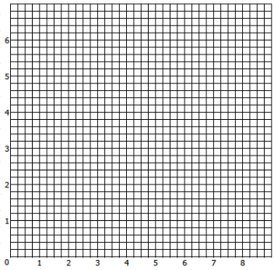
stabilize.
8. Record the DO every minute for 10 minutes, or until the DO drop becomes consistent or
until the DO drops below 1 mg/L. Make sure that there is at least 1 mg/L difference
between the start and finish of the test.

Note:
If the OUR is extremely high values may have to be read every 30 seconds and the initial
DO may have to be increased to 7-8 mg/L. If that does not provide a satisfactory test dilute the
sample with BOD dilution water, reaerate the sample and complete the test again. Calculate the
appropriate dilution factor to obtain the OUR of the original sample.

OUR calculation
1. Graph the results by plotting DO (in mg/L) on the vertical axis and time (in minutes) on
the horizontal axis.
2. Graph the line of best fit of the data. The line should be nearly straight. If there are data
at the beginning and/or end of the test that are significantly different from the straight
line, disregard that data. The straight line represents the actual microorganism activity.
3. Determine the slope of the line. Pick the points at the beginning and end of the straight
line portion. Divide the change in DO between those two points by the change in
minutes between those two points.
4. OUR = ΔDO/ΔTime = mg/L/min if the time is in minutes
5. Multiply by 60 min/hr to get the results in mg O2/L/hr

SOURCE
State of Maine Department of Environmental Protection, "Notes on Activated Sludge Process Control"

The pKa for H2S is 7.0, indicating higher toxicity at a pH of 7 or less when H2S is predominant, and less toxicity as the pH increases above pH 7 and H2S dissociates. One mg/L of H2S reduces the activated sludge OUR by 50% at pH 7, and the H2S dose to give a 50% OUR reduction increases to 100 mg/L at pH values above pH 8. It is advised to add lime or other alkaline agent to the aeration basin to raise the pH to 7.5 or above if sulfide toxicity is occurring.

